How To Use
How to use the DRAM register programming aid outline

Step 1. Obtain the desired DRAM data sheet from the DRAM vendor

The following are to be completed in the Register Configuration Worksheet tab.

Step 2. Update the Device Information table to include the DRAM information and system usage
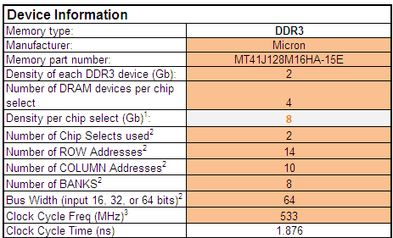

Step 3. Go through the various shaded cells in the spread sheet to update with data from the DRAM sheet (take special note of the “Legend” table to ascertain the meaning of different shaded cells; in many cases, the cells may not need to be updated).

The following refers to the RealView .inc file Worksheet tab. In this tab, the entire DRAM initialization can be obtained. This initialization can be used as a RealView include file (see below) or are reference for the bootloader DRAM initialization.

Step 4. Go to the RealView .inc file Worksheet tab and copy and paste this into a text document (make sure to rename the document with a “.inc” file ending); this is ready to use with the RealView development system.

Step 5. This .inc file can also be used as a reference for other debugger tools and bootloaders.

