How To Use
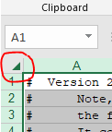
How to use the DRAM register programming aid outline

Step 1. Obtain the desired DRAM data sheet from the DRAM vendor

The following are to be completed in the "Register Configuration" Worksheet tab.

Step 2. Update the Device Information table to include the DRAM information and system usage
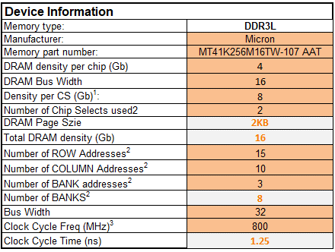

There are also other options to enable or disable, and settings to choose as shown below:

Step 3. Go through the various shaded cells in the spread sheet to update with data from the DRAM sheet (take special note of the “Legend” table to ascertain the meaning of different shaded cells; in many cases, the cells may not need to be updated).

Note: changes to the Register Configuration worksheet are automatically updated in the DDR stress test file worksheet tab described next.

The following refers to the "DDR stress test file" Worksheet tab. In this tab, the entire DRAM initialization can be obtained. This initialization can be used with the DDR Stress Test tool.

Step 4. Go to the "DDR stress test file" Worksheet tab and copy and paste this into a text document (make sure to rename the document with a “.ds” file ending); this is ready to use with the DDR Stress Test. See additional note below.

# Note, though the extension of this file implies use with the DS5 debugger,
# the file is meant specifically for the DDR Stress Test GUI tool.
# It contains data commands which are not compatible with the DS5 debugger,
# trying to use this file with DS5 will result in errors.
# There are currently no plans to create a DS5 JTAG DRAM initialization script.

It is important that the user must make sure to copy all of the contents from the DDR stress test file worksheet tab. One recommended method to ensure that all of the contents are selected before copying is to click on the arrow in the upper left hand corner of this sheet between row 1 and column A as shown below.

